CTM-Userguide
The CTM is responsible for delivering this excel sheet to the appropriate Sub-Contractor as part of the DRD CM-005. The information under the "Meta-Data" tab will be filled by the subcontractor alongside all the appropriate images and videos. The CTM (with the help of the catalog IME) will be responsible for uploading the assets to the Capture Tool.
How to modify the "Pull-downList" Tab: 1) Each Catalog will have a specific form with unique set of meta-data field values. 2) In order to be able to edit the content of the "Pull-downList" Tab in accordance to the Catalog Content, the user must first unprotect the sheet: under the "Tools" Menu select "Protection" and then select "Unprotect Sheet" 3) The CTM or the IME of the Catalog can fill in the appropriate Meta-Data Values for each project specific Meta-Data Field inside each of the green cells.
In the event that the number of Meta-Data Values exceeds the number of "green" cells in the form, the IME or the CTM shall do the following:
Note: The Sub-Element meta-data field is used as an example.
1) In this example the meta-data values "sub1 through sub11" was filled in by the IME or the CTM.
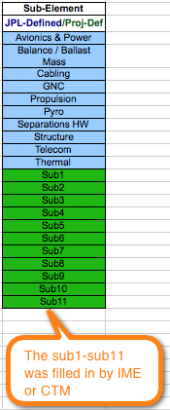

2) But the IME needs to add four extra sub elements. Here is what the IME or CTM needs to do:
a) The CTM or IME can insert the additional sub element names into the cells below and change the color of the cells to green to be consistent with the rest of the forms.

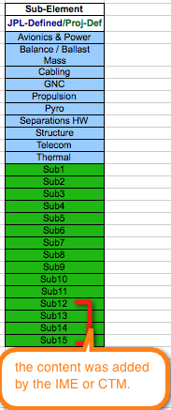
b) Then the CTM or IME shall do the following: under the "Insert" Menu, select "Name", then select "Define".
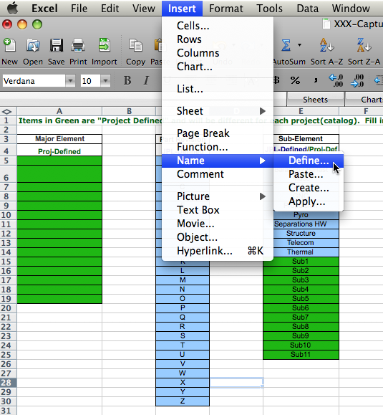

c) Once the "Define" is selected, then the user needs to go and pick the appropriate Meta-data Field Title from the selection. In this example, the IME or CTM shall pick "SubElement"
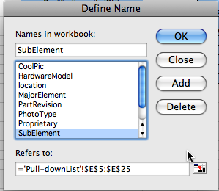

d) The the user shall modify the formula as shown to reflect the additional rows. In our example, the IME added 4 extra "green" cells, so the formula shall be changed to read: ='Pull-downlist'!$E$5:$E$29. Then press ok. The content of the "Meta-Data" tab will automatically be updated.
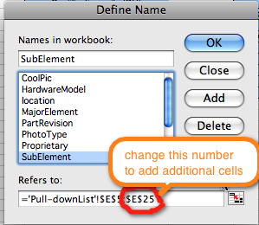

e) Once all the meta-data values have been updated in accordance to the Project Catalog, the CTM or IME shall re-protect the "Pull-DownList" tab for unintentional changes by Subcontractor or other users.

Jet Propulsion Laboratory, California Institute of Technology
© 2020 California Institute of Technology. Government sponsorship acknowledged

